in
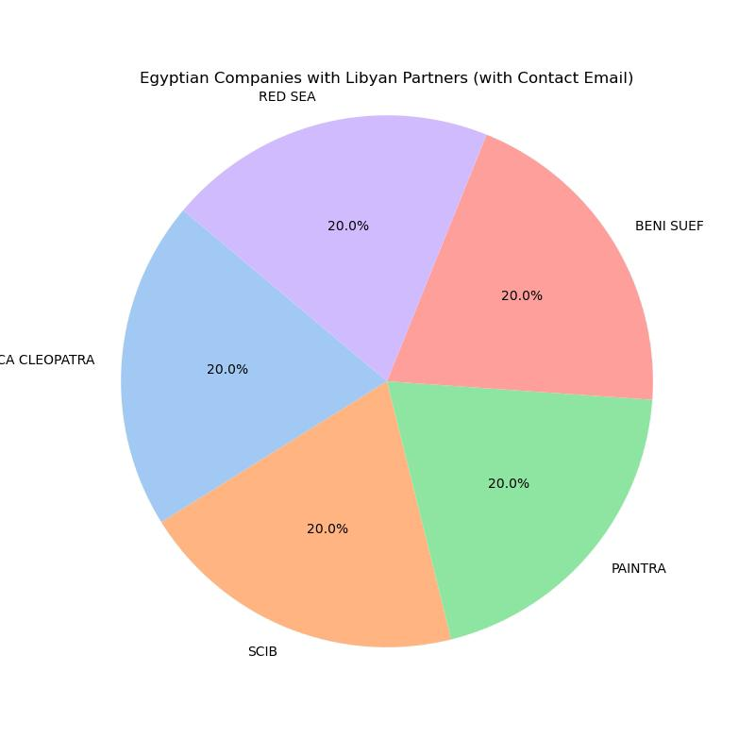
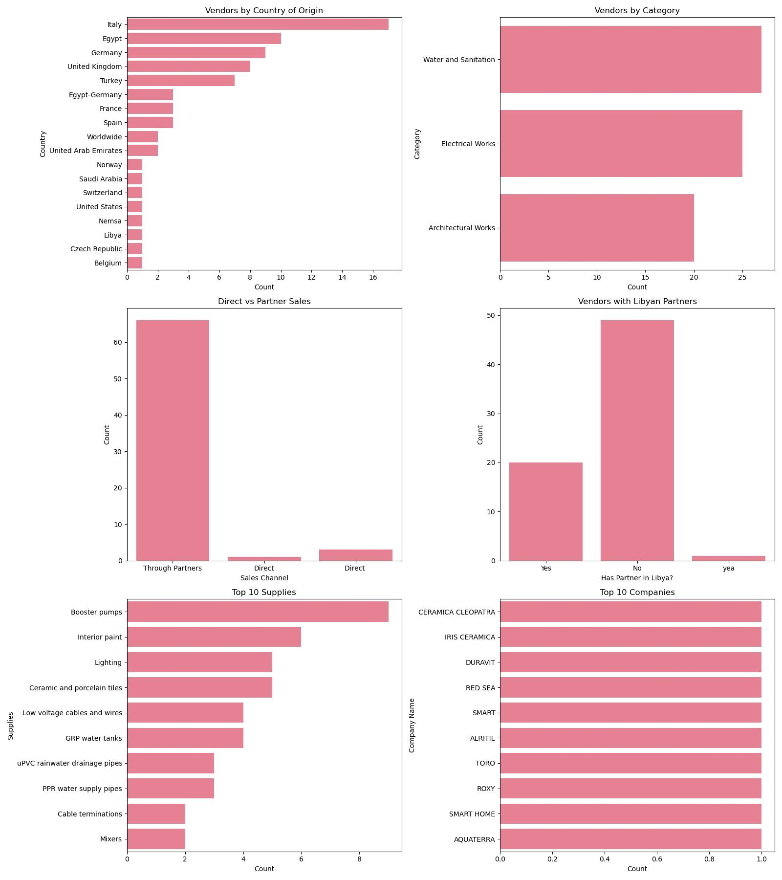
Company Name | Supplies | Category | Country of Origin | Sells Directly or Through Partners? | Has Partner in Libya? (Yes/No) | Libyan Partner Name | Libyan Partner Location | How to Become a Partner (Link or Contact Email) | Suggested Distributors or Intermediaries (list at least 10, plus if direct sale pls put email or contact link) | Sales Contact Email | Notes
CERAMICA CLEOPATRA | Ceramic and porcelain tiles | Architectural Works | Egypt | Through Partners | Yes | Ahmad Fadel Moktar | Benghazi |  | Emmar Misurata Company(https://www.emmarmisurata.com/) and Topaz Ceramic(https://www.Topazceramic.com/) | ahfadelmoktar@gmail.com | Explicit partnership is found with Emmarmisurata and Topaz ceramic company .The partnership appears to be a distribution agreement where CERAMICA CLEOPATRA supplies ceramic and porcelain tiles to the Libyan market through their local office or distributor.
IRIS CERAMICA | Ceramic and porcelain tiles | Architectural Works | Italy | Through Partners | No |  |  | info@irisceramicagroup.com | Arteco Ceramics LLC in Dubai, UAE, for the One Za’abeel project. |  | The search results mention a project involving documentation in three Mediterranean countries—Italy, Spain, and Morocco—indicating Iris Ceramica Group’s engagement in the Mediterranean region. Libya, being a Mediterranean country, could be part of their broader regional strategy, but no specific partner in Libya is named.
ATLAS CONCORDE | Ceramic and porcelain tiles | Architectural Works | Italy | Through Partners | No |  |  |  |  |  | Atlas Concorde Libya partnership” or “Atlas Concorde Libya distributor” yield no direct results. General information about their global operations and projects in the MENA region (e.g., Dubai, Uruguay) is available, but Libya is not mentioned.
HISPANIA CERAMICA | Ceramic and porcelain tiles | Architectural Works | Spain | Through Partners | No |  |  | global@hispaniaceramica.com |  |  | Without specific evidence, it’s possible Hispania Cerámica’s products reach Libya through third-party distributors or intermediaries, but no direct partnership is documented in the available data.
ALAPLANA | Ceramic and porcelain tiles | Architectural Works | Spain | Through Partners | No |  |  | info@nuevaalaplana.es | Pamesa Group, |  | As part of the Pamesa Group, Alaplana likely collaborates with international distributors, agents, or construction firms to supply tiles to various markets, including potentially the Middle East and North Africa (MENA) region, which includes Libya. Spanish ceramic companies often work with regional distributors or project-based partners for international markets.
CREMA NUOVA | Marble flooring | Architectural Works | Worldwide | Through Partners | No |  |  | enquiries@crema.com.au |  |  | None identified; no Libyan partnerships documented.
SILVIA | Marble frames | Architectural Works | Egypt
MEINYA | Marble frames | Architectural Works | Egypt
TRAVERTINE | Marble wall cladding | Architectural Works | Worldwide | Through Partners | Yes |  |  |  | BICC CABLES | libyabuild@atexinternational.com | The Libya Build event (Benghazi, November 4-7, 2024, and Tripoli, April 29-May 2, 2024) is a major construction and architecture expo in Libya, attracting companies like BICC CABLES and National Investment Company Holding. No exhibitor named TRAVERTINE or Travertine Mart is mentioned, but this event could be a platform where travertine suppliers or architecture firms connect
JOTUN | Interior paint | Architectural Works | Norway | Direct | Yes | Menem Harakat | Tripoli |  | Al Mumtaz Co - For Import | menem.harakat@mumtaz.ly | Registered on LibyaYP.com since September 27, 2012, this company is listed as a partner or distributor for Jotun products in Tripoli, Libya
DULUX | Interior paint | Architectural Works | United Kingdom | Through Partners | Yes | Menem Harakat | Tripoli |  | AkzoNobel’s Middle East operations | menem.harakat@mumtaz.ly | Companies like Al Jazeera Paints or Jotun Paints, which operate in Libya, distribute Dulux products under AkzoNobel’s portfolio.
SAN MARCO | Interior paint | Architectural Works | Italy | Through Partners | No |  |  | info@sanmarcogroup.it | Italian Paint Shop Ltd |  | San Marco Group S.p.A. does not explicitly list a specific partner in Libya in the provided sources or publicly available data. However, the company has a global distribution network covering over 100 countries, which likely includes Libya. The most relevant connection found is through Italian Paint Shop Ltd, a Nigerian-based distributor that markets and distributes San Marco products under permission from San Marco Group S.p.A. While this entity operates in Nigeria, it demonstrates the group’s model of partnering with local distributors to expand its reach, which could be similar in Libya.
GLC | Interior paint | Architectural Works | Egypt | Through Partners | No |  |  | info@glcpaints.com |  |  | Egypt Interior paint manufacturer.
SCIB | Interior paint | Architectural Works | Egypt | Through Partners | Yes |  |  |  | Al-Silini Company | info@scibpaints.com | SCIB Paints has a partnership with Al-Silini Company, its exclusive distributor in Libya
PAINTRA | Interior paint | Architectural Works | Egypt | Through Partners | Yes |  |  |  | Alwaha Paints,Alghazala Paints Company,Jazeera paint (info@alwaha-paints.com,info@alghazala.com,help@jazeerapaints.com) | contact@paintraegypt.com | No direct, publicly available information from the provided sources or additional searches explicitly confirms an active partnership between Paintra and a Libyan entity as of May 27, 2025. However, there are indications and contextual details that suggest potential connections or opportunities for partnerships in Libya, particularly in the paint and construction materials sector
KNAUF | Suspended ceilings | Architectural Works | Germany | Through Partners | No |  |  | knauf.measa.com |  | info@knauf.com | Knauf has a presence in North Africa, including Libya, as part of its global operations. While specific details about a Libya-focused partnership are limited in the provided sources, Knauf’s expansion into North Africa began between 1989 and 2013, with manufacturing and sales activities established in the region. Their operations in North Africa are part of their broader Middle East and Africa (MEASA) division, which includes gypsum-based products and insulation solutions
ARFEN | Expansion joints | Architectural Works | Turkey | Through Partners | Yes | Gokhan Avcioglu |  |  | GAD – Global Architectural Development | sales@arfen.com | No direct evidence from the provided sources or accessible public data confirms a specific partnership between ARFEN and a Libyan entity.
BASF | Expansion joints | Architectural Works | Germany | Through Partners | No |  |  | first.last@basf.com | BASF Middle East |  | While no direct partnership in Libya is explicitly mentioned, BASF Middle East participates in regional dialogues and collaborations, such as the Expert Dialogue at ACHEMA 2024, focusing on sustainable innovation in the process industry. Naji Masri, Head of Market Development, Distribution Management & Digitalization at BASF Middle East, emphasized collaborative efforts for technological innovations like the E-Furnace project with SABIC and Linde, which could indirectly influence markets like Libya through regional supply chains.
HELWAN | Plastering | Architectural Works | Egypt | Through Partners | No |  |  | info@heidelbergmaterials.com | Libyan Construction Companies,General Libyan Business Contacts: |  | While Helwan Cement exports to Libya, no formal joint venture or partnership is documented in the sources.
BENI SUEF | Plastering | Architectural Works | Egypt | Through Partners | Yes | Eng. Jihad Bajigni | Tripoli |  | Alkhebrat Aldawlia for Consulting and Engineering Works (QSP),Misr Beni Suef Cement Co. S.A.E, Orascom Construction. | info@qsp-eng.com | One company with a clear connection to both Egypt and Libya in the architecture/engineering sector is Alkhebrat Aldawlia for Consulting and Engineering Works (QSP), based in Libya but with activities that could involve Egyptian partnerships.
ALFANAR | Electrical sockets and switches | Electrical Works | Saudi Arabia | Through Partners | No |  |  | https://www.alfanar.com/dealers2?id=14 |  |  | No specific partner named for Libya; potential partners include global firms like Air Liquide or GE Vernova, with Alfanar’s International Sales Team as the point of contact.
LEGRAND | Junction boxes, electrical sockets and switches | Electrical Works | France | Through Partners | No |  |  | https://www.legrand.com |  |  | No explicit partnership with a Libyan entity was identified in the sources. However, Legrand’s business model relies heavily on distributors and strategic acquisitions to penetrate markets, suggesting that Libya is likely served through a regional distributor or partner rather than a direct subsidiary.
MARSHALL TUFFLEX | Plastic conduits and accessories | Electrical Works | United Kingdom | Through Partners | No |  |  | www.marshall-tufflex.com/contact-us/find-your-area-sales-manager/ | Vivasvaan Industrial Co. (trading as Aquaplex) |  | Marshall-Tufflex has a documented partnership with Vivasvaan Industrial Co., a company based in Abu Dhabi, UAE, which operates under its trading arm Aquaplex. This partnership, announced in 2022, focuses on manufacturing and distributing Marshall-Tufflex’s conduit and accessory products in the GCC region, which includes potential reach into neighboring markets like Libya due to its proximity and trade connections in the Middle East and North Africa (MENA) region.
MK | Plastic conduits and switches | Electrical Works | United Kingdom | Through Partners | No |  |  | info@gecol.ly | General Electricity Company of Libya (GECOL) |  | The search results do not explicitly confirm a partnership between MK UK Electrical Limited (or MK Electronics Ltd) and Libya. However, one relevant entity in Libya is the General Electricity Company of Libya (GECOL), an electrical and electronic manufacturing company based in Tripoli, Libya, involved in electricity generation, transmission, and distribution.
ABB | Panels, breakers, grounding | Electrical Works | Switzerland | Through Partners | Yes | Mohammed Al Mashai (Chairman of GECOL’s Board of Directors) |  |  | ABB for Electrical Industries (ABB ARAB) S.A.E,GECOL (info@gecol.ly) | contact.center@ch.abb.com | Based on ABB’s history of collaborations in the energy sector, a likely partner in Libya could be the General Electric Company of Libya (GECOL), the state-owned entity responsible for electricity generation, transmission, and distribution in Libya. ABB’s expertise in power grids, high-voltage direct current (HVDC) systems, and substation automation aligns with GECOL’s needs for modernizing Libya’s electrical infrastructure.
SCHNEIDER | Panels and breakers | Electrical Works | France | Direct | Yes | Walid Al Shaikh | Tripoli, Libya,Hay Alandalus-Zarqa El Yamama 2, Office 26, |  | Al Massar Advanced Technology Co.Yamamah Company(info@yamamah.ly) | info@almassar.com.ly | Schneider Electric operates in over 100 countries, including Libya.
SIEMENS | Panels and breakers | Electrical Works | Germany | Direct | Yes |  | 36 Al Rabiaa St., Garden City, P.O. Box 48, Benghazi, Libya |  | International Group for Medical Equipment | contact@siemens-energy.com,http://www.siemens.com.ly | Siemens Healthineers, a majority-owned subsidiary of Siemens AG, collaborates with International Group for Medical Equipment to distribute and support medical equipment in Libya.
PRYSMIAN | Low voltage cables and wires | Electrical Works | Italy | Through Partners | No |  |  | marketing.energy@prysmiangroup.com. | Libya’s National Oil Corporation (NOC),Al-Madina Electrical Supplies,General Electricity Company of Libya,MEART Region Operations,Submarine Cable Projects |  | No specific partnerships are documented, but Prysmian likely engages with Libya through its MEART region, potentially with GECOL or oil/gas firms like NOC. Partnerships would focus on energy infrastructure and reconstruction.
NEXANS | Low voltage cables and wires | Electrical Works | France | Through Partners | Yes |  |  |  | Public Electrical Works Company (PEWCO)https://www.nexans.com,www.libancables.com | power.accessories@nexans.com. | Nexans has a historical partnership with Libya through contracts awarded by the Public Electrical Works Company (PEWCO), a wholly-owned subsidiary of the General Electricity Company of Libya (GECOL).
DRAKA | Low voltage cables and wires | Electrical Works | Italy | Through Partners | No |  |  | info@draka.com/ | ALBAIT ALRAKI CO RIVER ROAD COMPOUND BUILDING,MOHAMED EHTIWASH ALAKWASS COMPANY.(www.volza.com) |  | There is no direct evidence in the provided sources or accessible databases
ICC | Low voltage cables and wires | Electrical Works | Italy | Through Partners | Yes |  | Jamahiriya Area, Al Swani Street, Tripoli, Libya |  | GECOL,https://www.icc.com | info@gecol.ly | Since no specific Libyan partner is identified, I cannot provide a name or email ID for a partner with a confirmed connection to Libya.
COAXIAL CABLE | Network cables (Cat6, RG59) | Electrical Works | Italy | Through Partners | No |  |  | info@gecol.ly | ITALICAB Srl,GECOL |  | ITALICAB’s flexible structure and focus on high-tech materials suggest they could engage in partnerships for specialized projects in Libya, such as energy or telecommunications infrastructure. Libya’s electrical sector, managed by entities like the General Electricity Company of Libya (GECOL), relies on imported equipment, making Italian suppliers like ITALICAB plausible partners. However, without direct evidence, any partnership would need to be verified through direct inquiry.
NORDEN | Network cables (Cat6, RG59) | Electrical Works | United States | Through Partners | No |  |  | info@gecol.ly | (GECOL)General Electricity Company of Libya |  | There is no direct evidence in the provided data or public sources (Google, LinkedIn, or global business databases like the World Trade Organization) that NORDEN Energy Inc. has a specific partnership in Libya
BICC | Cable terminations, grounding | Electrical Works | United Kingdom | Through Partners | No |  |  | info@pioneerselectricals.ae | Pioneer Electricals (UAE) |  | Pioneer Electricals distributes BICON products, which are linked to BICC CABLES. Given BICC CABLES’ participation in Libya Build-Benghazi (November 2024), there may be an indirect connection to Libya through BICC’s operations, but no specific Libyan partner is named on Pioneer’s website.
HAWAKE | Cable terminations | Electrical Works | United Kingdom | Through Partners | No | Mohammed Al Mashai (Chairman of GECOL’s Board of Directors) |  |  | GECOL | contact.us@ge.com | No company named "HAWAKE" appears in Google or LinkedIn as a UK-based electrical company. Variations like "Hawke" or "Hawker" (e.g., Hawke International, a UK company known for electrical equipment like cable glands) were checked, but no direct match or Libyan connection was found.
CMP | Cable terminations | Electrical Works | United Kingdom | Through Partners | No |  |  | mideast@cmp-products.com | Libiyan development company(ldc.com.ly),CMP Products Middle East FZE |  | No Partnership
FURSE | Earthing and lightning protection | Electrical Works | United Kingdom | Through Partners | No |  |  | www.alhandasya.ly,electrification.support@abb.com | Alhandasya for Electrical & Mechanical Services,ABB Global Contact(contact.center@ch.abb.com) |  | There is no direct evidence from the provided sources or accessible data (web, LinkedIn, Libyan news, or global trade databases) that Furse (or ABB) has a publicly documented partnership specifically in Libya for its earthing and lightning protection products
FRANKLIN | Earthing and lightning protection | Electrical Works | United Kingdom | Through Partners | Yes | Julio Alonso | Tripoli |  | Qabas consulting &training,Euro-Libyan Trade Centre (ELTC),Libyan General Union of Chambers of Commerce | sales@qbs.ly | Explicit Partner with libiya.Al Khalij Power Plant owned by the General Electricity Company of Libya (GECOL) and the Sadada Solar Energy Project involving Total Energies. These indicate active international partnerships in Libya’s electrical infrastructure.
VEMAR | Electrical sockets and switches | Electrical Works | Italy | Through Partners | No |  |  | info@qbs.ly | Doroub Libya (AL-ETAH Group),Qabas consulting & Training(Service only),Alhandasya for Electrical & Mechanical Services |  | No explicit documentation of VEMA or its partners in Libya.
EAE | Lighting | Electrical Works | Turkey | Through Partners | No |  |  | info@eae.com.tr | GECOL |  | No explicit documentation of EAE or its partners in Libya.
LITPA | Lighting | Electrical Works | Turkey | Through Partners | Yes |  |  |  | Türkiye Petrolleri Anonim Ortaklığı (TPAO),LAIP | info@tpao.gov.tr | Several sources indicate strong energy sector collaboration between Turkey and Libya, particularly in oil, gas, and renewable energy.
BEGA | Lighting | Electrical Works | Germany | Through Partners | No |  |  | info@bega.com/ | Wintershall,Light Culture(info@lightculture.com.au) |  | No explicit partnership with Libya is found.
TRILUX | Lighting | Electrical Works | Germany | Through Partners | No |  |  | info@trilux.com | Al-Madina Electrical Co.(info@almadina.ly) |  | Germany Lighting manufacturer.
ZUMTOBEL | Lighting | Electrical Works | Nemsa | Through Partners | No |  |  | info@zumtobel.com/ | ABB for Electrical Industries (ABB ARAB)(contact.center@ch.abb.com) |  | No direct evidence from the provided search results or accessible sources confirms a specific partnership between Zumtobel and a company or entity in Libya.
FERMAX | Intercom and doorbell systems | Electrical Works | Spain | Through Partners | No |  |  | info@fermax.com/ | QABAS (www.qabas.ly) |  | No explicit partnership with Libya is found.
AQUATERRA | PPR water supply pipes | Water and Sanitation | United Arab Emirates | Through Partners | No |  |  | info@aquaterraenergy.com | MENA-Water (UAE)(info@mena-water.com),Aqua Prince: Likely sales@aquaprince.ae (inferred, not confirmed),Sachisa Water Filters: Likely sales@sachisa.ae (inferred, not confirmed). |  | No explicit partnership with Libya is found.
SMART HOME | PPR water supply pipes | Water and Sanitation | Egypt-Germany | Direct | Yes | Karim Medawar |  |  | Metito-Orascom alliance,Holding Company for Water and Wastewater (HCWW)(rifaat.abdelwahaab@hcww.com.eg) | africa@metito.com | Explicit partnership with Libya is found.
ROXY | PPR water supply pipes and drainage pipes | Water and Sanitation | Egypt | Through Partners | No |  |  | info@metito.com | Metito-Orascom alliance |  | No explicit partnership with Libya is found.
TORO | PPR water supply pipes | Water and Sanitation | Italy | Through Partners | No |  |  | customerservice@toro.com |  |  | No explicit partnership with Libya is found.
ALRITIL | uPVC rainwater drainage pipes | Water and Sanitation | Libya | Through Partners | No |  |  | contact.mena@veolia.com | Veolia Environnement S.A. |  | No explicit partnership with Libya is found.
SMART | uPVC rainwater drainage pipes | Water and Sanitation | Egypt-Germany | Through Partners | No |  |  | info@smart.com/ | Hassan Allam Holding(info@hassanallam.com) |  | No explicit partnership with Libya is found.
RED SEA | uPVC rainwater drainage pipes | Water and Sanitation | Egypt | Through Partners | Yes |  |  |  | Red Sea Housing Services | info@rshs.com | Explicit partnership with Libya is found.
DURAVIT | Glass partitions and sanitary ware | Water and Sanitation | Egypt-Germany | Through Partners | Yes |  |  |  | Duravit Egypt as a Regional Distributor | sales@eg.duravit.com | Third -Party regional partenship is found.
ARISTON | Water heaters | Water and Sanitation | Italy | Through Partners | No |  |  | https://www.ariston.com/en-us/contact-us | General Company for Water and Sanitation Libiya,Man-Made River Implementation and Management Authority |  | The Libya-Italy Roundtable and VIP Networking Evening (September 23, 2024, in Rome) highlighted opportunities for Italian firms in Libya’s water and sanitation sector, suggesting Ariston could be exploring such partnerships.
TURKUAZ | Sanitary ware | Water and Sanitation | Turkey | Through Partners | Yes |  |  |  | Çalık Holding,Baylan Water Meters | info@baylan.com.tr | Explicit partnership with Libya is found.
GROHE | Sanitary ware and mixers | Water and Sanitation | Germany | Through Partners | No |  |  | info@grohe.com/ | Zamil Plastic Industries Co,Bayt Alebaa |  | No explicit partnership with Libya is found.
ALCA | Sanitary ware | Water and Sanitation | Czech Republic | Through Partners | No |  |  | info@alcaplast.cz | ALCADRAIN’s Distribution,Zulal Water Technology |  | No specific partner with a direct connection to Libya is identified for ALCADRAIN or any hypothetical "ALCA" in the provided search results or accessible sources
EURORAMA | Mixers | Water and Sanitation | Italy | Through Partners | No |  |  | https://www.eurorama.com | Sodai S.p.A. |  | No explicit partnership with Libya is found.
REMER | Mixers | Water and Sanitation | Italy | Through Partners | No |  |  | info@remer.eu | Doroub Libya (Aletah Group),General Company for Water and Wastewater (GCWW) |  | No explicit partnership with Libya is found.
AQUASAN | GRP water tanks | Water and Sanitation | Turkey | Through Partners | No |  |  | info@aquasanrw.com |  |  | Sources suggest it is a company from Rawanda.
ESINOKS | GRP water tanks | Water and Sanitation | Turkey | Through Partners | No |  |  | info@esinoks.com.tr. | Turkish-Libyan Business Context,TUSAID(www.tusiad.org) |  | No explicit partnership with Libya is found.
EKOMAXI | GRP water tanks | Water and Sanitation | Turkey | Through Partners | No |  |  | info@ekomaxi.com | Murzuq Oil Services |  | No explicit partnership with Libya is found.
SOLICO TANKS | GRP water tanks | Water and Sanitation | United Arab Emirates | Through Partners | No |  |  | info@solico-group.com | UNDP |  | No explicit partnership with Libya is found.
EBARA | Booster pumps | Water and Sanitation | Italy | Through Partners | No |  |  | www.ebaraeurope.com | Boreal Light GmbH |  | No explicit partnership with Libya is found.
DAP | Booster pumps | Water and Sanitation | Italy | Through Partners | No |  |  | info@qbs.ly | 2f Water Venture SRL (Italy), QABAS consulting and training ,General Company for Water and Sanitation |  | No explicit partnership with Libya is found.
DESMI | Booster pumps | Water and Sanitation | Belgium | Through Partners | No |  |  | sales@desmi.com | Saudi Engines Manufacturing Company (Makeen),Hassann Al Manaei Trading L.L.C. (United Arab Emirates)(www.hmtuae.com) |  | No explicit partnership with Libya is found.
KSB | Booster pumps | Water and Sanitation | Germany | Through Partners | No |  |  | https://www.ksb.com/en-global/contact. | WOW Electricals (Saudi Arabia, Tanzania, and other regions),Global Fluidtech Systems(www.globalfluid.co.in) |  | No explicit partnership with Libya is found.
WILO | Booster pumps | Water and Sanitation | Germany | Through Partners | yea | Yasser Nagi | MENA |  | Wilo Middle East | info.me@wilo.com | Wilo SE operates under a "region-for-region" strategy, with its Wilo AMEA (Asia, Middle East, Africa) regional organization headquartered in Dubai, UAE, overseeing operations in Africa, including Libya.
GRUNDFOS | Booster pumps | Water and Sanitation | Germany | Through Partners | No |  |  | https://www.grundfos.com/contact | Global Water Center (GWC) |  | No explicit partnership with Libya is found.
LOWARA | Booster pumps | Water and Sanitation | Italy | Through Partners | Yes |  |  |  | Van der Ende Group | info@vanderendegroup.com | Explicit partnership with Libya is found
CALPEDA | Booster pumps | Water and Sanitation | Italy | Through Partners | No |  |  | https://www.calpeda.com |  |  | Calpeda S.p.A. was listed among Italian companies participating in a reconstruction exhibition at the Sidi Faraj Exhibition Centre in Libya, held until November 7, 2024.
PEDROLLO | Booster pumps | Water and Sanitation | Italy | Through Partners | No |  |  | www.pedrollo.com/en/contact-us. |  |  | No explicit partnership with Libya is found.

